MODEL INTRO
Load Modifier, η= | Bridge importance factor
Input factor | 1.05 |  |  |  |  |  |  |  |  |  |  |  | Last Run: | 10/21/20

 |  |  |  |  |  |  |  |  |  |  |  |  | Last Run: | 10/21/20

LC |  | DC | DW | LL + IM+CE+BR | WS | WL | FR | TU | EQ
Strength 1 | Max DL | 1.25 | 1.5 | 1.75 | 0 | 0 | 1 | 1 | 0
Strength 1 | Min DL | 0.9 | 0.65 | 1.75 | 0 | 0 | 1 | 1 | 0 | Button 3 | " " displacements | TBD
Strength 1 | Max Long Deformation | 1.25 | 1.5 | 1.75 | 0 | 0 | 1 | 1.2 | 0 | Button 4 | " " displacements | TBD
Strength 2 | Max DL | 1.25 | 1.5 | 1.35 | 0 | 0 | 1 | 1 | 0
Strength 2 | Min DL | 0.9 | 0.65 | 1.35 | 0 | 0 | 1 | 1 | 0
Strength 2 | Max Long Deformation | 1.25 | 1.5 | 1.35 | 0 | 0 | 1 | 1.2 | 0
Strength 3 | Max DL | 1.25 | 1.5 | 0 | 1 | 0 | 1 | 1 | 0
Strength 3 | Min DL | 0.9 | 0.65 | 0 | 1 | 0 | 1 | 1 | 0
Strength 3 | Max Long Deformation | 1.25 | 1.5 | 0 | 1 | 0 | 1 | 1.2 | 0
Strength 5 | Max DL | 1.25 | 1.5 | 1.35 | 1 | 1 | 1 | 1 | 0 | Enter Bridge & Section Name: | S2
Strength 5 | Min DL | 0.9 | 0.65 | 1.35 | 1 | 1 | 1 | 1 | 0 | DL LARSA Import File Path:
Strength 5 | Max Long Deformation | 1.25 | 1.5 | 1.35 | 1 | 1 | 1 | 1.2 | 0 | LL LARSA Import File Path:
Extreme 1 (Earthquake) | Seismic | 1 | 1 | 0 | 0 | 0 | 1 | 0 | 1
Service 1 (Cracking / Def) | Min Long Deformation | 1 | 1 | 1 | 1 | 1 | 1 | 1 | 0
Service 1 (Cracking / Def) | Max Long Deformation | 1 | 1 | 1 | 1 | 1 | 1 | 1.2 | 0
Service 2 (Steel Yielding) | Min Long Displacement | 1 | 1 | 1.3 | 0 | 0 | 1 | 1 | 0
Service 2 (Steel Yielding) | Max Long Displacement | 1 | 1 | 1.3 | 0 | 0 | 1 | 1.2 | 0
Fatigue 1 | Infinite Life | 0 | 0 | 1.75 | 0 | 0 | 0 | 0 | 0

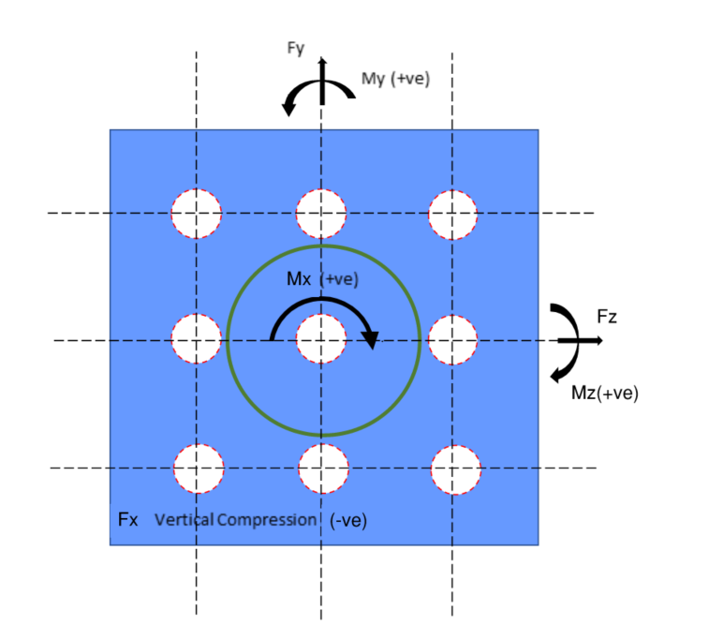

Moment and shear direction figure

X:Vertical direction downwards
Y: Transverse direction perpendicular to bridge path
Z: Longitudinal direction along bridge path

Note: Axial load is "-" for compression
Mx and Mz follow the right hand rule
My follows the left hand rule

